Sheet1
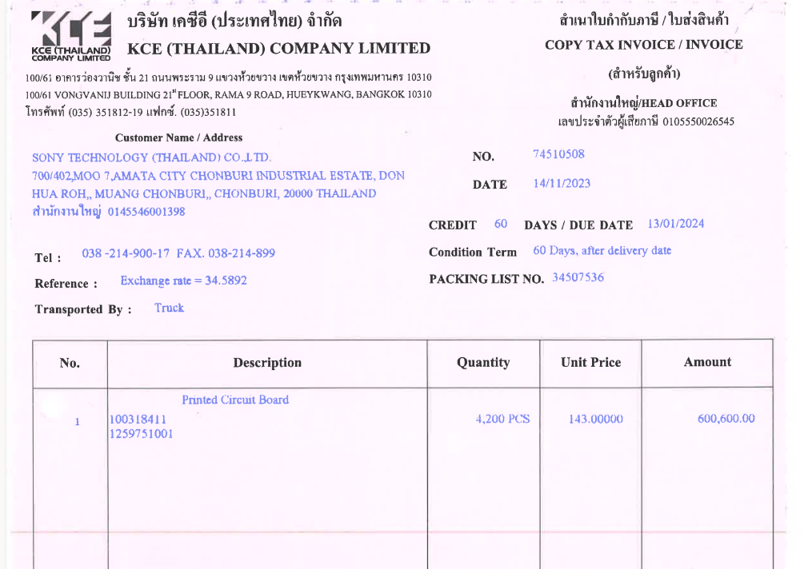

INVOICE_NO

QTY
UNIT_PRICE
ITEM_NO
AMOUNT

PO_NO

